Sheet1
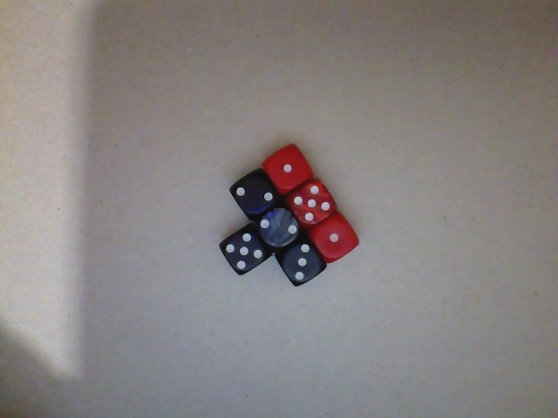
1 | This is the result of the outcomes (A1:A1000) from the tossing a dice 1000 times
1
3
6 | Outcome | Experiment | Theory
6 | 1 | 171 | 167
3 | 2 | 178 | 167
5 | 3 | 147 | 167
6 | 4 | 190 | 167
4 | 5 | 169 | 167
6 | 6 | 145 | 167
2
3
4
2
5
5
6
2
6
4
3
5
4
4
4
5
3
2
1
2
3
6
4
5
1
6
2
6
4
5
1
5
3
1
4
2
6
1
3
3
2
1
2
5
2
3
6
1
1
2
6
2
3
6
2
3
1
6
2
3
4
5
6
4
5
2
6
4
5
5
3
3
1
3
1
2
5
4
4
4
6
6
5
6
2
1
1
2
4
3
3
4
1
1
3
5
3
4
4
2
2
4
5
2
5
5
4
2
5
5
3
2
5
5
4
1
4
5
2
5
4
3
6
6
1
6
5
3
4
5
4
4
6
5
4
1
3
4
2
1
2
1
5
1
2
2
2
2
2
1
1
2
5
1
6
3
5
3
3
3
6
2
2
2
5
2
3
6
4
4
2
2
3
4
5
2
2
4
3
4
5
1
6
6
5
6
2
1
4
3
1
4
4
5
2
1
2
5
5
3
6
5
2
1
1
2
4
1
2
4
6
1
3
2
6
1
4
2
1
5
2
3
5
1
3
5
2
5
5
6
5
5
4
6
5
5
1
1
1
4
3
4
3
2
5
4
4
1
6
5
5
3
6
2
2
4
3
2
2
3
5
2
3
5
3
1
3
6
2
1
3
2
1
1
1
6
1
3
6
1
5
4
1
4
4
6
5
2
4
2
3
6
4
5
6
1
1
2
3
5
4
2
3
4
4
5
4
5
6
2
6
3
4
4
2
3
3
5
4
6
2
3
4
1
3
3
1
6
5
6
5
4
1
4
3
2
4
2
1
4
1
4
3
4
3
5
5
5
5
4
4
1
5
3
1
1
2
6
2
1
1
5
6
4
5
5
5
5
5
2
4
4
1
2
6
6
4
1
2
6
6
4
5
4
2
4
6
1
6
2
6
3
2
1
1
2
5
6
3
5
3
4
6
5
5
4
4
3
4
4
4
3
3
1
1
5
2
5
6
4
2
6
2
6
2
3
4
4
2
2
2
3
5
6
2
1
4
2
4
3
6
4
4
4
4
4
6
3
1
2
3
4
2
1
1
5
2
1
4
6
4
6
1
6
4
2
6
2
5
1
6
1
4
1
3
1
1
4
2
6
1
1
2
1
2
1
5
6
3
5
5
5
3
3
3
1
1
5
2
3
2
1
6
4
1
6
6
2
5
4
2
2
5
4
3
5
1
2
6
6
1
2
6
4
4
5
4
2
1
1
2
1
6
6
5
1
1
1
1
3
6
2
2
1
1
4
2
1
1
4
6
2
6
4
2
5
5
5
6
1
2
6
2
5
3
1
4
5
6
2
3
3
2
3
1
2
5
2
1
4
3
2
4
6
3
1
3
6
6
3
4
5
6
6
3
5
1
6
2
4
3
4
3
4
3
5
5
2
6
1
5
2
4
4
1
6
4
2
2
4
6
2
1
5
4
1
5
3
2
4
6
3
3
5
5
4
5
1
1
4
3
3
4
3
3
5
1
3
1
1
6
6
5
6
1
1
5
1
3
4
4
3
6
6
3
1
1
5
6
6
5
5
1
4
1
1
2
5
1
4
4
1
6
3
2
6
1
2
2
3
4
5
2
3
5
6
5
1
4
5
1
5
6
6
4
4
3
4
2
5
6
4
5
4
2
5
4
3
5
6
2
5
4
2
6
4
3
6
4
1
3
2
1
3
5
4
5
5
1
4
2
4
4
4
6
4
4
5
5
5
1
4
3
4
1
3
4
2
5
2
2
3
2
3
5
4
6
4
1
4
3
6
1
2
1
1
4
6
4
5
1
1
3
4
3
1
2
1
3
2
4
3
4
3
1
4
4
6
5
3
5
2
2
3
1
3
3
6
3
6
2
2
6
4
5
6
1
6
1
1
1
2
2
6
2
2
3
5
1
6
1
3
5
6
3
1
5
5
2
5
1
4
5
4
5
1
4
4
2
6
3
5
4
2
5
1
4
6
4
3
3
5
2
4
4
2
4
6
5
3
5
4
6
3
1
4
3
2
3
6
4
1
5
1
3
2
1
5
5
5
6
2
2
3
3
5
1
4
4
4
4
3
2
2
2
3
2
4
5
1
4
6
4
6
6
2
3
2
6
5
1
2
5
3
2
5
1
4
1
6
2
3
5
5
4
2
6
2
3
2
6
4
6
3
5
4
4
2
4
2
4
1
6
2
2
6
4
3
2
4
5
1
3
6
1
1
3
5
4
2
6
6
1
1
5
5
5
2
2
2
1
6
2
4
6
4
1
5
1
5

